EU Spark spread
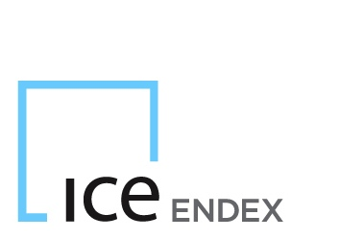

No Cancellation Range (NCR)

Contract: | Month | Quarter | Season | Year
EU Spark Spread | € 0.40 | € 0.40 | € 0.40 | € 0.40

